Sheet1
company | ticker | sales grth est | EPS grth est | **Current P/E | Avg P/E | Avg Hi P/E | Avg Lw P/E | Low Price | *VL Tmlins | PAR | Quality | MI Sales Grth Est | 2020-03-31
General | GD |  |  | 11.2 | 16.5 | 16 | 8 | 95.8 | 2 | 13.5% | 90 | 5.1%
Dynamics | MS
 | CFRA |  |  |  |  |  |  |  | *VL Fin Strg |  |  | Morningstar
 | *VL | 6 | 7 |  |  |  |  |  | A++ |  |  | stars | 5*****
 | **ACE | 3.6 | 7.8 |  |  |  |  |  | *Earn Pred |  |  | Fair Val | $195.0
 | ***PV/FV | 4 | 6.7 |  |  |  |  |  | 100 |  |  | Cur Price | $133.6
 | ****Yahoo | 4 | 7.3 |  |  |  |  |  | 3/6/20 |  |  | Moat | wide
 | *****Zacks |  | 7.9 |  |  |  |  |  |  |  |  | 5star price | <$136.50
 | AVG | 4.4 | 7.3 |  |  |  |  |  |  |  |  | 31% discount

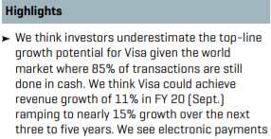
Sales and EPS Growth Estimates |  |  |  | CFRA | 4B-4D
Morningstar "3B-3D


 |  |  |  |  |  |  |  |  |  |  | Present Value/Future Value
 |  |  |  |  | Value Line 5B-5D |  |  |  |  |  | PV |  |  | FV

"Enter a ticker or Name" box
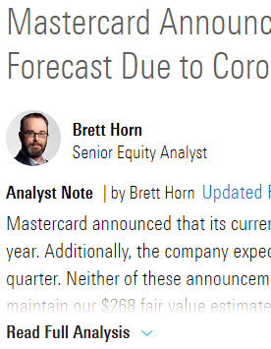
Click on Stock Analyst Reports and type Ticker in
 |  |  |  |  |  |  |  |  |  |  | Put in finance calculator found at Calculator.net
 |  |  |  |  |  |  |  |  |  |  | N (# of periods) = 5
 |  |  |  |  |  |  |  |  |  |  | Annuity Payment = 0
 |  |  |  |  |  |  |  |  |  |  | Result = I/Y (Interest Rate)
 |  |  |  |  | * found in Value line mid left side of PDF report

 |  |  |  |  | Analyst Consensus Est. 6B-6D
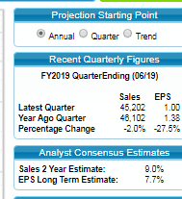

Scroll down to and click on "Read Full Analysis"

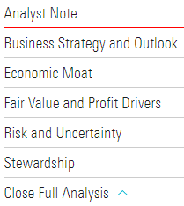

 |  |  |  |  | ** found on 1st tab page of SSG plus stock screen

 |  |  |  |  |  |  |  |  |  |  |  |  |  | *** found on Value Line PDF report right side data section

 |  |  |  |  | **** and ***** Found under SSG 1st tab - research tab Analyst Estimates
 |  |  |  |  | for Yahoo Analyst Estimates and Zack's Detailed Estimates

