Sheet1
company | ticker | sales grth est | EPS grth est | Cur P/E | Avg P/E | Avg Hi P/E | Avg Lw P/E | Low Price | VL Tmlins | PAR | Quality | MI Sales Grth Est | 2019-10-09
Biospecifics | BSTC |  |  | 17 | 23.4 | 30 | 16.8 | 39.6 | 2 | 20.1% | 77 | 14.0%
Health | MS
care | *VL
 | **ACE
 | ***BI grph |  | 3.6
 | ****Yahoo | 15.3 | 22
 | *****Zacks
 | AVG | 15.3 | 12.80

 |  |  |  |  | * found in Value line mid left side of PDF report

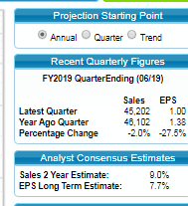

 |  |  |  |  | ** found on 1st tab page of SSG plus stock screen

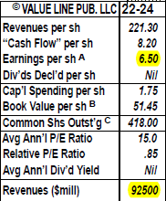

 |  |  |  |  | *** found on Value Line PDF report right side data section

 |  |  |  |  | **** and ***** Found under SSG 1st tab - research tab Analyst Estimates
 |  |  |  |  | for Yahoo Analyst Estimates and Zack's Detailed Estimates

