Instructions
NOTE: You must be logged on to the Internet for the automatic data fill to work
1 Type a company ticker symbol into the cell indicated and press Enter.
2 Downloading of data will begin--notice the curser changes to an hour-glass symbol. It will change to a + sign when downloading is complete. [You must be signed on to the Internet before using this link.]
3. The company data is ready for analysis.
The PEG ratio is a tool to help determine if the current price is a fair price to pay. It's determined by dividing the P/E by the Projected EPS growth rate. [The P/E (Price-Earnings Ratio) = Price / Earnings Per Share. Projected EPS growth rate is the rate of growth the Analysts expect over the next five years.]
An ideal PEG is 1 or slightly less than 1. (The P/E and projected growth rate are approximately equal.) Most investors consider a PEG of less than 1.5 to be acceptable if the historical growth of sales and earnings are consistent and rising--but are aware they are paying a premium for the company. A PEG of less than 1 is very positive but if less than approximately 0.85 the price is very low and may be low for a reason. If so, what is the news about the company. Is management warning of a downturn in the future. Has a competitor developed a superior product or recently entered the competitive scene?
The "Projected 12 Month Target Price" is what the Analysts think the price will be in 12 months. You should not put a lot of weight on this value when determining whether to buy or sell a company, but the percentage of growth in price could be a consideration when comparing companies.
If you don't know the ticker symbol for the company click on the "Find Ticker Symbol" link at www.finance.yahoo.com. When on the Yahoo site type in the name of the company you want to analyze in the indicated cell. Note that as you type the name various companies will pop up. Select the correct name and press the Enter key or click on "Get Quotes". See the example below--the company name Intel has been entered.
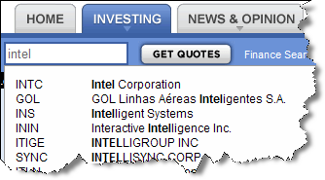
www.finance.yahoo.com

Click here to return to the Analysis page

If you need help in understanding an investment word or phrase click here to be taken to Investopedia.com

